Sheet1
Step | Step details | HTTP request type (GET, POST, PUT, DELETE) | Exact route (end of URL not including IP like /persons…) | Request - exact JSON payload format (if any) | Response - exact JSON payload format (if any)
1 | Create a new user with payload of JSON with your first and last name as 2 different key-value pairs with keys "first_name" and "last_name" | POST | /persons | { "first_name": "Nathan", "last_name": "Szpilman" } | { "id": "1", "first_name": "Nathan", "last_name": "Szpilman", }
2 | Create a new user with payload of JSON with first & last name of a friend in the course | POST | /persons | { "first_name": "Dan", "last_name": "Finel" } | { "id": "2", "first_name": "Dan", "last_name": "Finel", }
3 | Get a list of all users | GET | /persons |  | [{ "id": 1, "first_name": "Nathan", "last_name": "Szpilman" }, { "id": 2, "first_name": "Dan", "last_name": "Finel"} ]
4 | Get the information about your friend from step 2 | GET | /persons/Dan |  | { "id": 2, "first_name": "Dan", "last_name": "Finel"}
5 | Override your first name with a different name (short/full/nickname) | PUT | /persons/Nathan | { "first_name": "Nate" } | { "id": 1, "first_name": "Nate", "last_name": "Szpilman" }
6 | Delete yourself from the database (Hint: what's the username after executing step 5?) | DELETE | /persons/Nate

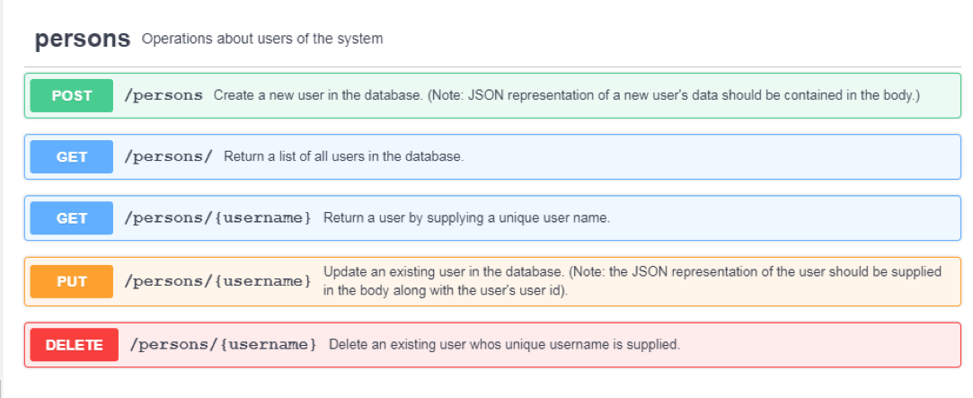
 | Instructions:
 | 1. If you are not sure about specific format, just make up something reasonable
 | 2. Use first name as the username in routes

